Summary
MICHIGAN GREEN COMMUNITIES CHALLENGE RESPONSES

Municipality
County
Total Points | 2
Level
Date Submitted

 |  |  | 2023 Response | 2022 Response | 2021 Response
Planning for Inclusive & Lasting Impacts (P) |  |  | 2
Embed Sustainability in Planning Processes | 1 | Incorporate measurable sustainability targets and indicators into an existing community master plan OR create a community sustainability plan with measurable sustainability targets and indicators. | Complete
Integrate sustainability targets and actions into core community planning documents. | 2 | Incorporate sustainability, energy use, green building standards, and/or climate metrics into capital improvements planning. | 0
 | 3 | Begin implementing climate mitigation and adaptation measures in capital improvement projects. | 0
Leverage Local Expertise | 4 | Establish an internal sustainability team, made up of staff from different departments as relevant, to coordinate municipal sustainability initiatives. | 0
Include residents, local business owners, and other stakeholders to provide valuable context and insight when implementing municipal and community sustainability actions. | 5 | Establish an external sustainability team (or broaden the original internal sustainability team) to include participation from community members, especially underserved and/or traditionally marginalized residents, who will identify and make recommendations on actions the municipality and community can take to reduce environmental impacts and improve overall sustainability. | 0
Integrate Equity into Community Sustainability | 6 | Staff, municipal commission/council members, and/or volunteer board members attend regular diversity, equity, and inclusion (DEI) training as part of their service/employment. | 0
Build and strengthen municipal processes to be more inclusive, cohesive, and representative of all community members, now and in the future. These system-wide, structural changes are an important step in creating open and equitable communities. | 7 | Pass a policy or resolution affirming the community's commitment to equity as a key component of sustainability and the municipality’s mission, work, or actions. | 0
 | 8 | Ensure diversity on volunteer boards and commissions using the existing demographic makeup of the community as a target. | 0
 | 9 | Incorporate environmental justice implications and opportunities in planning and zoning documents OR in a community sustainability plan. | 0
 | 10 | Require an environmental justice assessment for any new municipal policies or infrastructure projects. | 0
Leverage Partnerships | 11 | Participate in the Michigan Green Communities Network and share your community's successes and/or lessons learned. | 0
Work collaboratively with other partners through regional initiatives to broaden engagement and increase the impact of sustainability actions. | 12 | Partner with other public, private, or nonprofit partners on regional sustainability initiatives. | 0
Climate Resilience & Adaptation (RA) |  |  | 0
Energy Efficiency & Renewable Energy (E) |  |  | 0
Responsibly Managing Materials (MM) |  |  | 0
Sustainable Land Use & Economic Development (ED) |  |  | 0
Improving Health Outcomes (H) |  |  | 0
Protecting & Conserving Water Resources (W) |  |  | 0
Support Clean & Inclusive Mobility (M) |  |  | 0
Inspire & Mobilize Residents (CE) |  |  | 0
 |  | TOTAL POINTS | 2
INSTRUCTIONS (move this text box to the blank cells at the bottom or delete before using sheet)
Numbers in the “2023 Response” column will auto populate based on your answers in the category sheets; this column is currently protected and not editable. There are two “Total Points” boxes at the top and bottom of the spreadsheet; these will also automatically calculate and are protected.
Each category title on the Summary page links to the corresponding sheet.
Categories are also expandable so you can quickly view how many points you earned for specific actions. There are two ways to expand/collapse the categories.
To expand a single category at a time, click the gray plus sign to the left and slightly below a category title.
To collapse a single category at a time, click the gray minus sign to the left and slightly below the list of actions.
If you’d like to expand all the categories at once, click the gray “2” button to the left of the column letters.
If you’d like to collapse all the expanded categories at once, click the gray “1” button to the left of the column letters.
Aside from the category titles, action steps, and cells that auto populate, the rest of the sheet is editable.
There are boxes at the top to add the name of your municipality, county, level, etc.
You can also type in points values for previous years to see year-over-year comparisons.

Profile
COMMUNITY PROFILE
This page provides 1.) a space to compile data about residents and geographic areas that may be more vulnerable to environmental hazards, 2.) guidance on how to locate this information through publicly available data sources and mapping tools, and 3.) ideas for additional community data to compile, such as existing solar projects and solar potential. You can use this as an internal resource, or copy and paste this information into a public plan or document. Why is it important to think about social vulnerability? Some residents may be more affected by environmental hazards (e.g., less able to recover after a flood) and some may face barriers to accessing sustainability opportunities (e.g., upfront costs of energy efficiency). By understanding who these residents and communities are, the city/county/township can better design projects, plans, and policies to ensure that they benefit from sustainability investments. Note: The mapping tools listed below rely on Census data and use Census tracts as a unit of measure. Some cities and townships may be smaller than a single Census tract, which may limit the utility of the tool. We suggest that you look at data at the county level and add your own information based on what you know about your own community.

Mapping Social and Climate Vulnerability Neighborhoods at Risk is an interactive data tool developed by Headwaters Economics that provides Census tract-level information about potentially vulnerable people and climate change. The tool allows users to filter and explore tracts based on 13 socioeconomic and climate exposure variables. 1. Visit https://nar.headwaterseconomics.org and type in your community’s name. 2. By default, the tool will automatically highlight census tracts where vulnerabilities to climate change exceed the community median based on three indicators. Customize the display by selecting between ten different indicators of interest. 3. In the top right corner of the page, click “Download Report”. Look through the report for data to complete the Social Vulnerability table below. Feel free to delete indicators that don’t feel relevant, and add any indicators that are missing. (Note: for each topic area (e.g., Rental and Mobile Homes), the report has a page describing why that indicator is important to measure.) 4. If you want to compare your community to the county, search for your county and repeat the process above. 5. Take a screenshot of the map to include in this spreadsheet or other planning documents. If you have GIS capabilities, you can download the shapefiles to do further analysis.
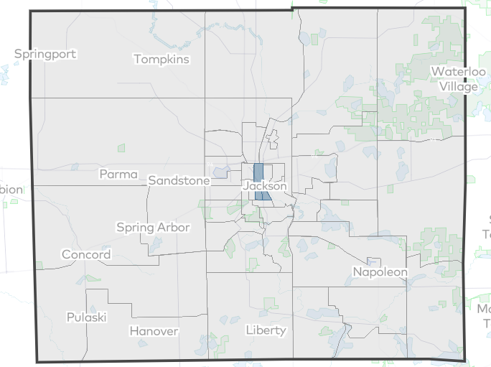
Social Vulnerability
 | [City/Township Name] |  | [County Name]
Population | insert # |  | insert #
Families in poverty | insert # | insert % | insert # | insert %
Housing units that are rentals
People of color
Households with no car
Children under 5 years
People over 65 years |  |  |  |  | [Sample caption -- update to reflect the filters you used: Census tracts where vulnerabilities to climate change exceed the U.S. average -- households with no car, people of color, and rentals.] Source: Neighborhoods at Risk
People with disabilities
People without health insurance
People who don't speak English well
Number of manufactured homes
[add any additional indicators in the rows below]

Climate Exposure
Properties with flood risk | 6.60%
Area in 500-year floodplain | 5.60%
Area of impervious surface | 3.90%
Area lacking tree canopy | 73%

Mapping Overburdened and Underserved Communities The White House Climate and Economic Justice Screening Tool (CEJST) is an interactive mapping tool that identifies disadvantaged communities that are lower-income and overburdened in one or more of eight categories: climate change, energy, health, housing, legacy pollution, transportation, water and wastewater, and workforce development. Many federal funding opportunities related to climate and clean energy ask applicants to describe how a project will direct benefits to disadvantaged communities, in line with the federal Justice 40 initiative. Get prepared for federal grants by exploring the tool and better understanding your community. 1. Visit https://screeningtool.geoplatform.gov and type in your community’s name. 2. Disadvantaged Census tracts – as defined by the tool – will appear in blue. Click on a Census tract to see information about each socioeconomic, climate, and environmental indicator. 3. Fill in the table below to document data points of interest. For example: in the northeast part of the county, there is a tract that is above the 90th percentile in its share of people with asthma. 4. Take a screenshot of the map to include in this spreadsheet or other planning documents. if you have GIS capabilities, you can download the shapefiles and datasets.

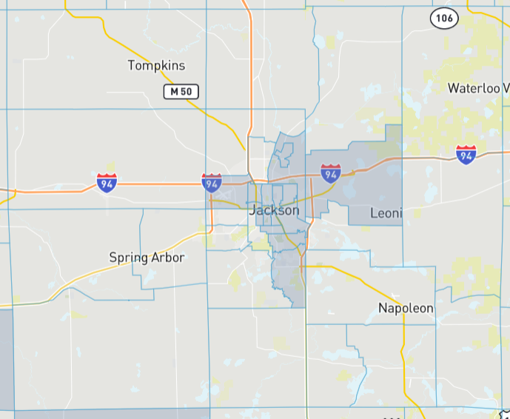
Category | Census Tract/ Neighborhood | Data
Climate Change
Energy
Health | Example: Northeast Jackson, tract 26075000400 | Compared to the U.S., at the 93rd percentile in its share of people with asthma
Housing
Legacy Pollution
Transportation
Water and Wastewater
Workforce Development

 |  |  |  |  | [Sample caption -- update to reflect your map: Map of disadvantaged communities in [Jackson County] as designated by the U.S. Climate and Economic Justice Screening Tool. Source: Council on Environmental Quality]

Interested in diving deeper? 1. Explore the additional mapping tools below to further understand environmental justice, climate risk, and environmental hazards. Add data and/or maps to this spreadsheet or public-facing documents. 2. Explore your community’s own energy data. Your community may have its own data that you may want to catalog in this spreadsheet. For example, map or count solar installations on local businesses in your community by examining building permit data.

MiEJScreen is an interactive mapping tool from the Michigan Department of Environment, Great Lakes, and Energy (EGLE) that allows users to explore the environmental, health, and socioeconomic conditions within a specific community, region, or across the entire state. |  |  | MiEJScreen Link
The U.S. DOE LEAD (Low-Income Energy Assistance Data) Tool can help you understand energy burden and costs. |  |  | LEAD Tool Link
EGLE’s Wetlands Map Viewer is an interactive mapping tool that can display Critical Dune Areas, streams and wetlands, land cover, and more. |  |  | Wetlands Map Viewer Link
EGLE’s Wellhead Protection Areas Map displays WHPAs across the state. |  |  | Wellhead Protection Areas Map Link
Risk Factor is a data tool that allows you to explore risk of flood, fire, heat, and wind for a given location. |  |  | Risk Factor Link

P
Goal Statement: | Enter planning goal statement here. For example: Metro City will create ambitious, achievable sustainability goals and implement them in all relevant areas of city government operations.

Catalyst Communities Planning Resources |  |  | User Guide

INSTRUCTIONS (move this text box to the blank cells at the bottom or delete before using sheet)
At the top of the category sheets is a placeholder for a goal statement. Brainstorm how your community can use a specific category’s actions to reach your sustainability goals.
Below the goal statement is a colored box—it's designed to look like a button because it will take you straight to the Catalyst Communities resources for that category.
Each category sheet lists the relevant subcategories and action steps, plus 12 columns to describe your community’s action progress in more detail. You can hide rows with actions you won’t be pursuing by right-clicking the row and selecting “Hide.” We recommend marking the action progress as “N/A” and then hiding the row instead of deleting it, which runs the risk of messing up the Summary page.
Editing or removing Column E, “Current Progress;” will cause the calculations on the Summary Page to fail.
Columns F-P are fully editable—you can rename or reformat them to better suit your needs, or delete columns altogether if they are irrelevant to your process.
Clicking on any box in the “Current Progress” column and then on the arrow beside it will reveal four possible responses.
“N/A” indicates that your municipality will not be attempting to complete that action this year.
“Not Started” indicates that you will attempt the action but have not yet started.
“In Progress” indicates that you are working on the action; selecting this option automatically updates the Summary page to show that you have earned one point for that action.
“Completed” indicates that the action is complete; selecting this option automatically updates the Summary page to show that you have earned two points for that action.
In the “Impact Level” column you can select three options: High, Medium, and Low. MGC does not designate impact levels for actions, but you can determine what the impact might be in your own community.
Keep in mind that perceived impact will vary by community, so a high-impact action in a small town might be low impact in a larger city, and vice versa.
The “Notes” column can be used to add any extra information that doesn’t fit in other columns; it may also be a good place to explain how an action your community is taking fits into the action description if it is not an obvious match.
In the “Helpful Resources” tab you can add links to relevant tools; we recommend checking out the Catalyst Communities resources linked at the top of each category sheet as a start.
CATEGORY | SUBCATEGORIES & DESCRIPTIONS | ACTION ITEMS |  | Current Progress | Specific Tasks | Priority Level | Impact Level | Team/Staff Responsible | Timeline for Accomplishing Action | Potential Funding Sources | Departments & Organizations | Challenges | Status/Recent Activities | Notes | Helpful Resources
Planning for Inclusive & Lasting Impacts | Embed Sustainability in Planning Processes | 1 | Incorporate measurable sustainability targets and indicators into an existing community master plan OR create a community sustainability plan with measurable sustainability targets and indicators. | Complete | a. Review master plan to find areas where sustainability targets could be incorporated b. Work with relevant departments to formulate targets/indicators c. Create new version of master plan d. Submit to city council for approval | High | Medium | Roxanne Ritchi (City Planner), City Council | Sept. 2023 - May 2024 | None | Planning and Zoning, plus Waste Management and Transportation as required | a. Hesitancy from city council b. Coordination with other departments | PZ staff began review of master plan 9/12/23 | City Council meeting schedule will be inconsistent as we approach the 2023 holiday season | Local Action Framework: A Guide to Help Communities Achieve Energy and Environmental Goals
 | Integrate sustainability targets and actions into core community planning documents. | 2 | Incorporate sustainability, energy use, green building standards, and/or climate metrics into capital improvements planning.
 |  | 3 | Begin implementing climate mitigation and adaptation measures in capital improvement projects.
 | Leverage Local Expertise | 4 | Establish an internal sustainability team, made up of staff from different departments as relevant, to coordinate municipal sustainability initiatives.
 | Include residents, local business owners, and other stakeholders to provide valuable context and insight when implementing municipal and community sustainability actions. | 5 | Establish an external sustainability team (or broaden the original internal sustainability team) to include participation from community members, especially underserved and/or traditionally marginalized residents, who will identify and make recommendations on actions the municipality and community can take to reduce environmental impacts and improve overall sustainability.
 | Integrate Equity into Community Sustainability | 6 | Staff, municipal commission/council members, and/or volunteer board members attend regular diversity, equity, and inclusion (DEI) training as part of their service/employment.
 | Build and strengthen municipal processes to be more inclusive, cohesive, and representative of all community members, now and in the future. These system-wide, structural changes are an important step in creating open and equitable communities. | 7 | Pass a policy or resolution affirming the community's commitment to equity as a key component of sustainability and the municipality’s mission, work, or actions.
 |  | 8 | Ensure diversity on volunteer boards and commissions using the existing demographic makeup of the community as a target.
 |  | 9 | Incorporate environmental justice implications and opportunities in planning and zoning documents OR in a community sustainability plan.
 |  | 10 | Require an environmental justice assessment for any new municipal policies or infrastructure projects.
 | Leverage Partnerships | 11 | Participate in the Michigan Green Communities Network and share your community's successes and/or lessons learned.
 | Work collaboratively with other partners through regional initiatives to broaden engagement and increase the impact of sustainability actions. | 12 | Partner with other public, private, or nonprofit partners on regional sustainability initiatives.

Metrics
MGC CHALLENGE METRICS TEMPLATE

To calculate metrics, fill out all yellow cells. The remaining cells will auto-populate with calculations. The charts will automatically update as you change the metrics and can be copied for use in other documents.

 | # | METRIC | UNIT | RESPONSE |  | Helpful Conversions
Emissions | 1 | What is your current population? | # of people
 | 2 | When did your community complete a GHG inventory for municipal/county operations? | year |  |  | 1 kWh=3412 BTU
 | 3 | When did your community complete a community wide GHG inventory? | year
Energy Supplied by Renewables in Munipal/County Operations(kWh)
Energy Supplied by Renewables in Municipal/County Operations
Energy Supplied by Non-renewables in Municipal/County Operations | 0
 | 4 | How many total metric tons of CO2e were being emitted in your GHG inventory for municipal/county operations? | Metric Tons CO2e (MTCO2e)
 | 5 | How many total metric tons of CO2e were being emitted in your GHG inventory for the entire community? | Metric Tons CO2e (MTCO2e)
 | 6 | Percent (%) reduction in GHG emissions from municipal/county operations from baseline year supplied above | % reduction in MTCO2e from baseline supplied in survey | #DIV/0!
 |  | Current GHG Emissions in Municipal/County Operations | MTCO2e
 | 7 | Percent (%) reduction in community wide GHG emissions from baseline year supplied above | % reduction in CO2e from baseline supplied in survey | #DIV/0!
 |  | Current GHG Emissions | MTCO2e
Energy | 8 | Percent (%) of energy supplied by renewable sources in municipal/county operations this calendar year | % of annual kWh | #DIV/0!
 |  | Total Energy Use in Municipal/County Operations | kWh
 |  | Energy Supplied by Renewables in Municipal/County Operations | kWh
 |  | Energy Supplied by Non-renewables in Municipal/County Operations | kWh | 0
Water | 9 | Water use in municipal/county operations in the 2021 calendar year | CCF (hundred cubic feet) per capita | #DIV/0!
EV and Clean Fuel Vehicles in the Municipal/County Fleet
Total # of EV/Clean Fuel Vehicles
Total # of Non-EV/Clean Fuel Vehicles | 0
 |  | 2021 Water Use in Municipal/County Operations | CCF (hundred cubic feet)
 | 10 | Percent (%) reduction in water use from municipal/county operations in the 2022 calendar year | % Reduction in water use from 2021 | #DIV/0!
 |  | 2022 Water Use in Municipal/County Operations | CCF (hundred cubic feet)
 | 11 | Community-wide water use per capita. (Consult your local water utility provider. May not be discernable if your county/municipality does not have a public water utility.) | CCF (hundred cubic feet) per capita | #DIV/0!
 |  | 2022 Total Water Use | CCF (hundred cubic feet)
Transportation | 12 | Miles of sidewalks | miles
 | 13 | Miles of dedicated/protected bike lanes/routes and nonmotorized trails | miles
 | 14 | Miles of shared bike routes (e.g., roads with 'sharrows') | miles
 | 15 | Total road miles (Centerline miles, not lane miles) | miles
 | 16 | Percent (%) of county/municipal vehicle fleet that are EV/clean fuel vehicles. (Includes public safety fleet and light-, medium-, and heavy-duty vehicles. Not applicable if county/municipality has no vehicles.) | % of total fleet | #DIV/0! | See list of clean/alternative fuels here.
 |  | Total # of Vehicles in County/Municipal Fleet | # of vehicles
 |  | Total # of EV/Clean Fuel Vehicles | # of EV/clean fuel vehicles
 |  | Total # of Non-EV/Clean Fuel Vehicles | # of non-EV/clean fuel vehicles | 0
 | 17 | Number of publicly accessible EV charging stations (any level) | # of EV charging stations
 | 18 | Public transit use (Consult your local transit authority for total annual ridership. Not applicable if there are no public transit options in your community. Dial-a-ride services count as public transit.) | # of total annual riders
Resilience | 19 | Number of cooling centers/resilience hubs. (May include spaces that have plans to provide emergency services like public schools, libraries, etc.) | # of cooling centers/resilience hubs | -
Land Use | 20 | Tree canopy cover | % of total community land area covered by trees (acres) | #DIV/0!
 |  | Total community land area | acres
 |  | Total tree canopy cover | acres
 | 21 | Percent (%) of area that is impervious surface | % of total community land area (acres) | #DIV/0!
 |  | Total community land area | acres
 |  | Total impervious surface area | acres
 | 22 | Total acres of public greenspace/parks (not applicable if there are no public greenspaces or parks) | acres
 | 23 | Total acres of agricultural, rural, or natural resource land that are permanently protected | acres
 | 24 | Total acres of agricultural and natural resource land. (Use zoning/land use maps to determine.) | acres

